Statistical Measures

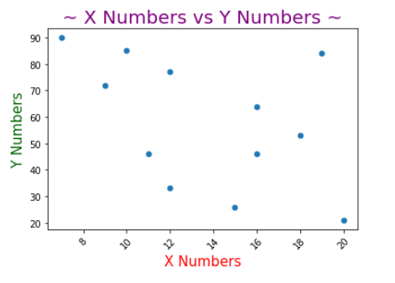
 | X | Y | SCATTER PLOT Y vs. X | Optional
 | 12 | 77
 | 16 | 64
 | 18 | 53
 | 20 | 21
 | 19 | 84
 | 7 | 90
 | 15 | 26
 | 16 | 46
 | 12 | 33
Use the data to calculate the following measures. (All measures shown in red) | 10 | 85
 | 9 | 72
 | 11 | 46
COUNT Function | 12 | 12
SUM Function | 165 | 697
MODE Function | 12 | 46
MEDIAN Function | 13.50 | 58.50
MEAN Calculation | 13.75 | 58.08 | COVARIANCE Calculation | -46.34090909
MEAN Function | 13.75 | 58.08 | COVARIANCE Function | -46.34
MIN Function | 7 | 21 | CORRELATION Calculation | -0.46
MAX Function | 20 | 90 | CORRELATION Function | -0.46
RANGE Calculation | 13 | 69
Q1 Function | 10.75 | 42.75
Q2 Function | 13.5 | 58.5
Q3 Function | 16.5 | 78.75
IQR Calculation | 5.75 | 36
VARIANCE Calculation | 17.48 | 577.54
VARIANCE Function | 17.48 | 577.54
STANDARD DEV Calculation | 4.18 | 24.03
STANDARD DEV Function | 4.18 | 24.03
SKEWNESS Function | -0.01287766638 | -0.191540125
KURTOSIS Function | -1.183534705 | -1.401790616

